Sheet1
 |  | Document No. | Issue No. | Issue Date |  | Review and Replace Date |  |  | Authorised By
 |  | GFF020MC | 1 | 03.10.2018 |  | New Issue
 |  | Document Title | 12 Chicken Panang Cups 144g
 |  | New product launch |  |  | Page |  | 1 of 1 |  | Magda Shah
Document amendments reason for change |  |  |  |  | Previous Issue Date |  | New Issue |  | Uncontrolled copy unless signed original

CCPENC-R1TEB | BOOTHS - XMAS |  | 12 CHICKEN PANANG CUPS 144g
STEP 1 |  |  |  |  | STEP 2
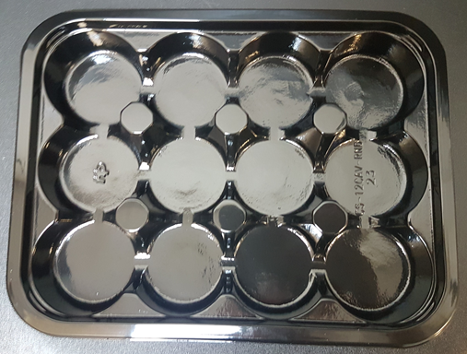 |  |  |  |  | 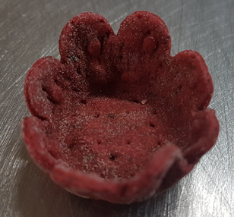

Tray: C5-12CAV-RND (PKHOL001-03) |  |  |  |  | Beet Root Tartlets (RMPID001-03) 3.5g
Film: ME410A Antifog WELD seal (PKPRO001-12) (PROMENS)
STEP 3 |  |  |  |  | STEP 4
DAY TAKEN OUT OF FREEZER + 16 DAYS
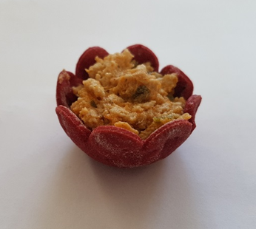 |  |  |  |  | 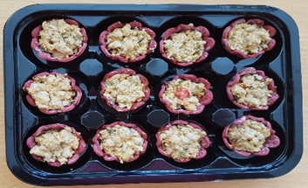

Chicken Penang Mix (GFF208R) 8.5g |  |  |  |  | 12 x Chicken Panang Cups |  |  | TOTAL WEIGHT: 144g

ALLERGY ALERT: BARLEY, CRUSTACEAN, FISH, SOYA, WHEAT

